READ ME - Legend
COMPANY PROPRIETARY: While TM Forum standards and industry best practices are member developed and maintained, the relationships mapped and depicted as color-coding between those standards and best practices, the APILATION Big Data Analytics Platform, the overall client BSS-OSS infrastructure, and specific data sources and elements that may be present are the original works of APILATION. All rights to such original works are reserved and COMPANY PROPRIETARY, TM Forum references notwithstanding. This document provided under executed NDA.
This BIG DATA COOKBOOK is designed to provide guidance related to data requirements for a strategic Big Data Analytics-led transformation program for FRONTIER COMMUNICATIONS based upon: all required data being made available, the implementation of the APILATION Big Data Analytics platform, high-level alignment to TM Forum industry best practices, including but not limited to GB979, GB962, GB935, the Telecom Applications Map, and the Enhanced Telecom Operations Map, in addition to FRONTIER COMMUNICATIONS making necessary organizational, process, technology (BSS/OSS), methodology, and policy changes across the affected business areas so as to best leverage the potential of the transformation. Due to the complexity, duration, and dependencies of the program on factors outside of our control, including but not limited to the actions taken by FRONTIER COMMUNICATIONS over the course of the term of the implementation, it is possible that the actual program execution may diverge from the model depicted to some degree.
Big Data Analytics GB979 |  | CEM GB962 |  |  | BSS-OSS Applications Map | STB KPIs (Example)
 |  |  |  |  |  | Device Agent - Set Top Box
GB979 Domain Coding |  | GB962 CLX Coding |  |  | BSS-OSS Data Sources | AV , FTR_CMS_DIAG
C | Customer | BA | Be Aware | Buying | BSS - Billing/Charging | CABLE-CARD , FTR_CMS_DIAG
C-CAM | Customer-Customer Analysis and Management | C | Choose | Buying | BSS - Campaign Management | CODE-DOWNLOAD , FTR_CMS_DIAG
C-CEM | Customer-Customer Experience Management | CO | Consume | Using | BSS - Product Catalog | FTR_CMS_DIAG
EN | Enterprise | I | Interact | Buying | BSS - CRM - Customer Management | FTR_Netflix
Apilation.ai
EN-EAM | Enterprise-Enterprise Analysis & Management | L | Leave | Sharing | BSS - Customer Support (By Channels - IVR, Social Media, etc) | FTR_NIGT_SPLK_UPLD
EN-DM | Enterprise-Data Monetization | M | Manage | Using | BSS - Order Management / Provisioning | FTR_RESET_APP
EP | Engaged Party | RC | Recommend | Sharing | Direct Customer Survey/Agent | FTR_STARTUP_TIME
EP-PAM | Engaged Party-Party Analysis and Management | RN | Renew | Sharing | ERP - Financials | FTR_TTS_UI
EP-PEM | Engaged Party-Party Experience Management | P | Pay | Using | External Industry Measurement | FTR_VOICE_ASSIST
MS | Marketing & Sales |  |  |  | OSS - Device / Monitoring Agent | HDD , FTR_CMS_DIAG
MS-MAM | Marketing & Sales-Market Analysis & Management |  |  |  | OSS - Network -Circuit Probe | HDMI-CONN , FTR_CMS_DIAG
MS-SAM | Marketing & Sales-Sales Analysis & Management | Business Metrics GB935 |  |  | OSS - Network DPI | INHOME-SESSION , FTR_CMS_DIAG
MS-CHM | Marketing & Sales-Channel Analysis & Management |  |  |  | OSS - Network Inventory / Plant / Topology | IP-NETWORK , FTR_CMS_DIAG
P | Product | GB935 Process-Domain-Topic Coding |  |  | OSS - Policy Control | MEM , FTR_CMS_DIAG
P-PAM | Product-Product Analysis & Management | G | General metrics | Processs Focus | OSS - Product Management | MOCA , FTR_CMS_DIAG
P-CPAM | Product-Customer Product Analysis & Management | CM | Customer Management metrics | Processs Focus | OSS - Revenue Assurance | NetworkDiagnostics
P-OAM | Product-Order Analysis & Management | F | Fulfillment metrics | Processs Focus | OSS - Trouble Ticketing | SNR-IB , FTR_CMS_DIAG
R | Resource | A | Assurance metrics | Processs Focus | Social Media Listening | SNR-OOB , FTR_CMS_DIAG
R-NRAM | Resource-Network Resource Analysis & Management | B | Billing Metrics | Processs Focus | Website | VZ_AUDIO_VIDEO_INFO
R-SRAM | ResourceSupport Resource Analysis & Management | RM | Revenue and Margin | Domain |  | VZ_AUTO_PROVISIONING
S | Service |  | Margin/Revenue | RM Domain Topic |  | VZ_AUTOREBOOT
S-CSA | Service-Customer Service Analysis & Management |  | OpEx/CapEx | RM Domain Topic | External Data | VZ_CABLECARD_INFO
S-OAM | Service-Order Analysis & Management |  | OpEx/Revenue | RM Domain Topic |  | VZ_CALLER_ID
S-SAM | Service-Service Analysis & Management |  | Revenue Breakdown | RM Domain Topic |  | VZ_CDL
 |  |  | Customer Constancy | RM Domain Topic |  | VZ_CDS
 |  | CE | Customer Experience | Domain |  | VZ_CHANNEL_GUIDE_UI
 |  | CE-1 | Preferred Access | CE Domain Topic |  | VZ_CHANNEL_SURFER
 |  | CE-2 | Customer Time Spent | CE Domain Topic |  | VZ_CODE_DOWNLOAD_ERROR
 |  | CE-3 | Usability | CE Domain Topic |  | VZ_CODE_DOWNLOAD_INFO
 |  | CE-4 | Accuracy | CE Domain Topic |  | VZ_CRASH_LOGS
 |  | CE-5 | Contact Availability | CE Domain Topic |  | VZ_DVR
 |  | CE-6 | Ease of Doing Business | CE Domain Topic |  | VZ_EAS
 |  | CE-7 | Pricing Flexibility | CE Domain Topic |  | VZ_EPG
 |  | CE-8 | Security | CE Domain Topic |  | VZ_ERROR
 |  | OE | Operational Efficiency | Domain |  | VZ_FULL_GUIDE
 |  | OE-1 | Unit Cost | OE Domain Topic |  | VZ_HALF_GUIDE_UI
 |  | OE-2 | Time | OE Domain Topic |  | VZ_HDMI_INFO
 |  | OE-3 | Rework | OE Domain Topic |  | VZ_HIDE_TIMEBLOCKVOM
 |  | OE-4 | Simplicity | OE Domain Topic |  | VZ_HIDE_VOM
 |  | OE-5 | Process Flexibility& Automation | OE Domain Topic |  | VZ_INBANDTUNER_INFO
 |  | OE-6 | Utilization | OE Domain Topic |  | VZ_LIVETV_CHNL_RESPONSE
 |  |  |  |  |  | VZ_MAIN_MENU
 |  |  |  |  |  | VZ_MASTERAPP
 |  |  |  |  |  | VZ_MEMORY_MONITOR
 |  |  |  |  |  | VZ_MINIGUIDE_UI
 |  |  |  |  |  | VZ_MOBILE_METRICS
 |  |  |  |  |  | VZ_MOCA_ERROR
 |  |  |  |  |  | VZ_MODES
 |  |  |  |  |  | VZ_NBINTERFACE
 |  |  |  |  |  | VZ_NETWORK_MGR
 |  |  |  |  |  | VZ_OTT
 |  |  |  |  |  | VZ_OUTOFBAND_INFO
 |  |  |  |  |  | VZ_PARENTAL_CONTROL
 |  |  |  |  |  | VZ_PERF_METRICS
 |  |  |  |  |  | VZ_PHP
 |  |  |  |  |  | VZ_PPV_UI
 |  |  |  |  |  | VZ_SCHEDULER
 |  |  |  |  |  | VZ_SEARCH_UI
 |  |  |  |  |  | VZ_SEARCHDVR
 |  |  |  |  |  | VZ_SETTINGS
 |  |  |  |  |  | VZ_SHOW_TIMEBLOCKVOM
 |  |  |  |  |  | VZ_SHOW_VOM
 |  |  |  |  |  | VZ_SRCP
 |  |  |  |  |  | VZ_STARTUP
 |  |  |  |  |  | VZ_STARTUP_UI
 |  |  |  |  |  | VZ_SYSTEM_INFO
 |  |  |  |  |  | VZ_SYSTEM_UPTIME
 |  |  |  |  |  | VZ_TR069
 |  |  |  |  |  | VZ_TUNER_INFO
 |  |  |  |  |  | VZ_TUNER_WRAPPER
 |  |  |  |  |  | VZ_VMS_CONNECTIVITY
 |  |  |  |  |  | VZ_VOD
 |  |  |  |  |  | VZ_VOICEASSIST
 |  |  |  |  |  | VZ_WELCOME_SCREEN
 |  |  |  |  |  | VZ_WGT_CRSL
 |  |  |  |  |  | VZ_WGT_SF
 |  |  |  |  |  | VZ_WIDGET
 |  |  |  |  |  | VZ_XMPP_CLIENT_APP

FTR Applications Inventory
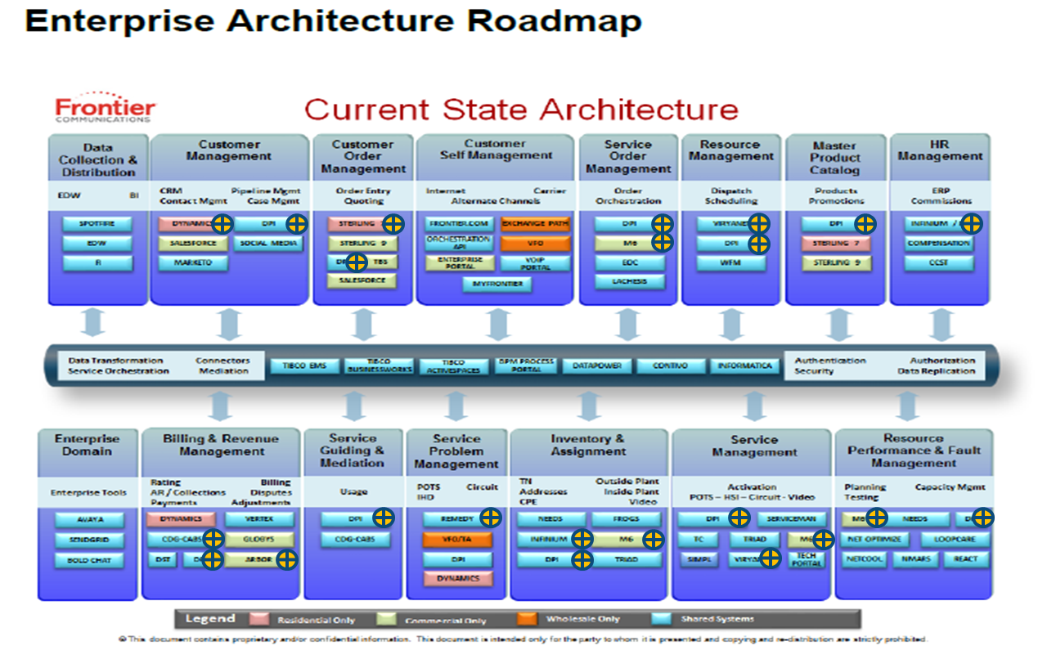
FTR BSS-OSS APPLICATIONS MAP | Refresh Frequency | Data Volume | Priority | Source Owner | Source Available Date | Transport Owner | Transport Available Date | Received by API
BSS - Billing/Charging
▪DPI | Daily
▪DST | Daily
▪RVI | Daily
▪Vertex | Daily
▪Globys | Daily
▪Ace*Comm | Daily
▪VFO | Daily
▪VFO\TA | Daily
▪Exchange Path | Daily
▪CDG CABS | Daily
BSS - Campaign Management
BSS - Product Catalog
▪DPI
▪Sterling 7
▪Sterling 9
BSS - CRM - Customer Management
▪Pega | Daily
▪Dynamics | Daily
▪Marketo | Daily
BSS - Customer Support (By Channels - IVR, Social Media, etc)
▪Salesforce.com | Daily
▪Sigma | Daily
▪Avaya | Daily
▪Twilio | Daily
▪Bold Chat | Daily
▪Knowledge Management | Daily
BSS - Order Management / Provisioning
▪Sterling 9 | Daily
▪TBS | Daily
Direct Customer Survey/Agent
ERP - Financials
▪Infinium
External Industry Measurement
OSS - Device / Monitoring Agent
▪STBs | Streaming
▪RGs / ECO | Streaming
OSS - Network Management / Probes
▪Net Optimize | Daily
▪Loopcare | Daily
▪NetCool | Daily
▪NMARS | Daily
▪Resolve | Daily
▪Element Management Systems (Alcatel, Calix, Cisco, etc) | Streaming
OSS - Network DPI
OSS -Network Inventory / Plant / Topology
▪M6 | Daily
▪DPI | Daily
▪Triad | Daily
▪Needs | Daily
▪SIMPL | Daily
▪Tech Portal | Daily
▪Serviceman | Daily
▪TC | Daily
OSS - Policy Control
OSS - Product Management
OSS - Revenue Assurance
OSS - Trouble Ticketing / WFM
▪Remedy | Daily
▪Viryanet | Daily
Social Media Listening
Websites
▪Frontier.com | Daily
▪Frontier PTR Gateway | Daily
▪Enterprise Portal | Daily
▪MyFrontier | Daily
▪VoIP Portal | Daily
▪IMG | Daily

MS-SAM-5 Sample
